Sheet1
 |  | VIVIT

 | Testing
Training |  | 33-non-mod | 67-non-mod | 100-non-mod | 33-single-mod | 67-single-mod | 100-single-mod | 33-multi-mod | 67-multi-mod | 100-multi-mod
 | 33-non-mod | 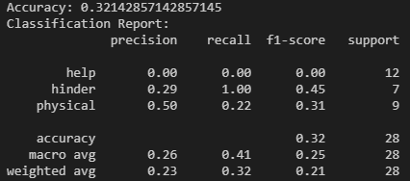
 | 67-non-mod |  | 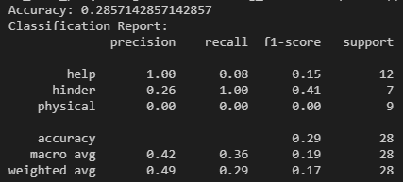
 | 100-non-mod |  |  | 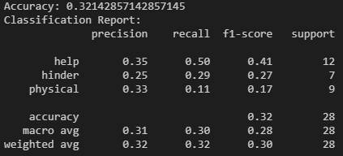
 | 33-single-mod |  |  |  | 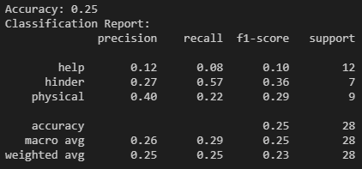
 | 67-single-mod |  |  |  |  | 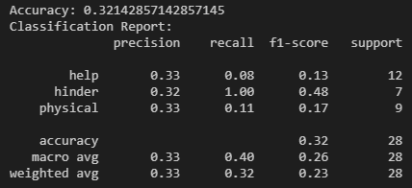
 | 100-single-mod |  |  |  |  |  | 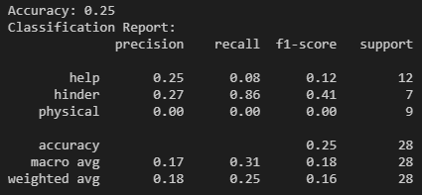
 | 33-multi-mod |  |  |  |  |  |  | 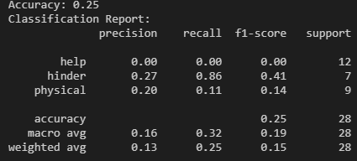
 | 67-multi-mod |  |  |  |  |  |  |  | 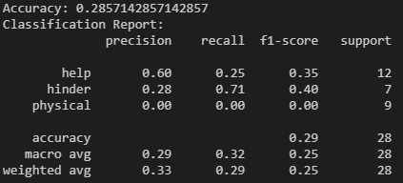
 | 100-multi-mod |  |  |  |  |  |  |  |  | 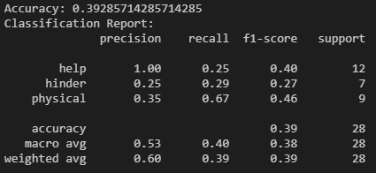

 |  | TIMESFORMER

 | Testing
Training |  | 33-non-mod | 67-non-mod | 100-non-mod | 33-single-mod | 67-single-mod | 100-single-mod | 33-multi-mod | 67-multi-mod | 100-multi-mod
 | 33-non-mod | 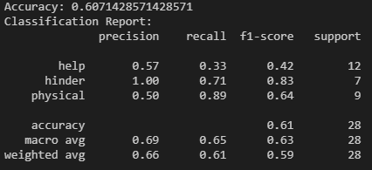
 | 67-non-mod |  | 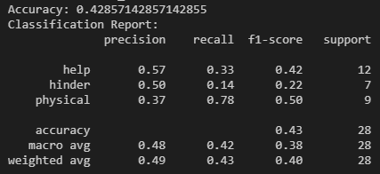
 | 100-non-mod |  |  | 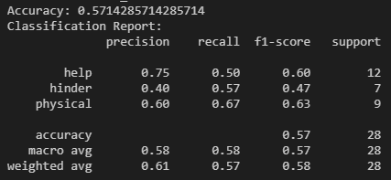
 | 33-single-mod |  |  |  | 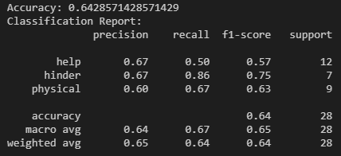
 | 67-single-mod |  |  |  |  | 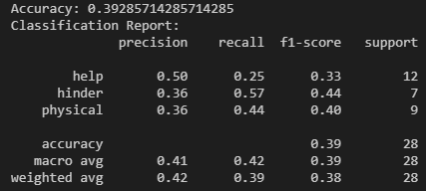
 | 100-single-mod |  |  |  |  |  | 
 | 33-multi-mod |  |  |  |  |  |  | 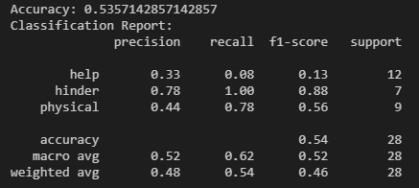
 | 67-multi-mod |  |  |  |  |  |  |  | 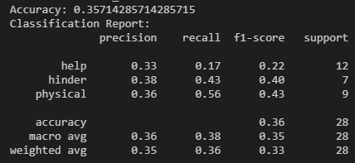
 | 100-multi-mod |  |  |  |  |  |  |  |  | 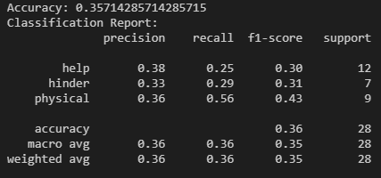

 |  | UNFINETUNED VIVIT

 | 33-non-mod | 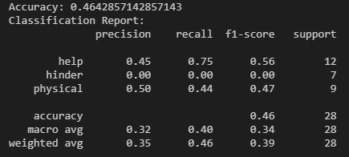
 | 67-non-mod | 
 | 100-non-mod | 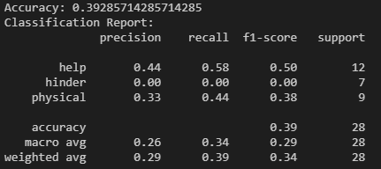
 | 33-single-mod | 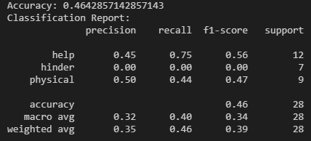
 | 67-single-mod | 
 | 100-single-mod | 
 | 33-multi-mod | 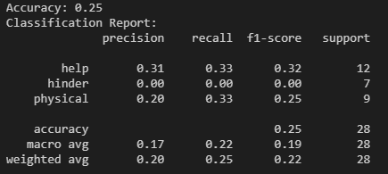
 | 67-multi-mod | 
 | 100-multi-mod | 

 |  | UNFINETUNED TIMESFORMER

 | 33-non-mod | 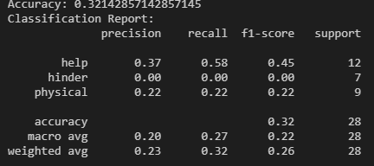
 | 67-non-mod | 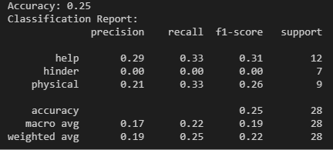
 | 100-non-mod | 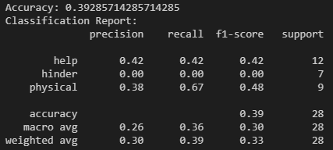
 | 33-single-mod | 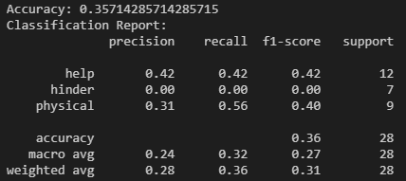
 | 67-single-mod | 
 | 100-single-mod | 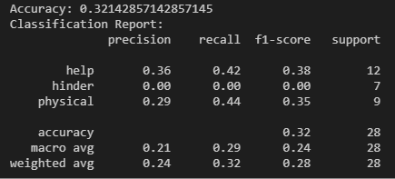
 | 33-multi-mod | 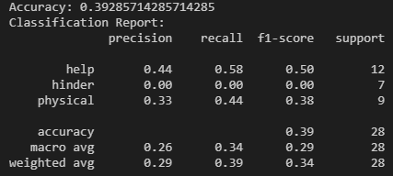
 | 67-multi-mod | 
 | 100-multi-mod | 